Sheet1
CPI 1 | Description |  | Case
If | TOW service arrived & More than 4 responded units arrived | Then | >30 |  | CPI-1 Lane-1 | 60% | 10-30 | 495// mean=22, median=18, SD=18, x=[4, 205], [-30, 30)-> 80%(207/258)
 | Shoulder lane blocked & More than 4 responded units arrived |  |  |  |  | 70% | 5-30
 | Car Overturned & [Weekend OR Tow service arrived] |  |  |  |  | 80% | 5-35
 | More than 5 vehicles are involved & Peak hour |  |  |  | CPI-1 Lane-2 | 60% | 25-50 | 495// mean=38, median=37, SD=15, x=[6, 79], [-60, 60)-> 90%(43/48)
 | [AM OR Fireboard first arrived]& More than 1 Police arrived |  |  |  |  | 70% | 20-55
 | Fall & Fireboard first arrived |  |  |  |  | 80% | 20-60
 | Truck involved & Van involved |  |  |  | CPI-1 Lane-3 | 60% | 60-85 | 495// mean=68, median=72, SD=19, x=[24, 100], [-120, 120)-> 100%(23/23)
 | Else then |  | <30 | CPI-1 Lane-1 |  | 70% | 60-90
If | AUXILIARY LANE blocked & [More than 4 responded units arrived OR More than 1 CHART arrived] | Then | >60 |  |  | 80% | 50-100
 | Hazard Material OR More than 1 Tow service OR Bus involved |  |  |  | CPI-1 Lane-4 | 100% | >120 | 495// mean=183, median=183, SD=17, x=[171, 195], [120, 1200)-> 100%(2/2)
 | [More than 2 Police arrived OR Weekend OR Wet Pavement] & Pickup involved
 | Truck involved & Tow service arrived
 | Else then |  | <60 | CPI-1 Lane-2
If | More than 1 vehicle involved & More than 6 responded units arrived | Then | >120 | CPI-1 Lane-4
 | Else then |  | <120 | CPI-1 Lane-3

CPI 2 | Description |  | Case |  | CPI-2 Lane-1 | 60% | 10-30 | 495// mean=20, median=18, SD=10, x=[5, 56], [-30, 30)-> 87%(134/154)
If | TOW service arrived | Then | >30 |  |  | 70% | 5-30
 | [More than 3 responded units arrived OR Police first arrived OR Truck invovled]& More than 3 vehicles involved |  |  |  |  | 80% | 5-35
 | [Daytime OR More than 2 vehicles involved] & Vehicle Overturned |  |  |  | CPI-2 Lane-2 | 60% | 20-50 | 495// mean=36, median=34, SD=17, x=[6, 105], [-60, 60)-> 93%(82/88)
 | [More than 1 vehicle involved] & Motorcycle involved |  |  |  |  | 70% | 15-55
 | [AUXILIARY LANE blocked & Pickup involved] OR [More than 6 responded units arrived] |  |  |  |  | 80% | 15-60
 | Else then |  | <30 | CPI-2 Lane-1 | CPI-2 Lane-3 | 60% | 35-105 | 495// mean=71, median=76, SD=32, x=[19, 123], [-120, 120)-> 95%(20/21)
If | More than 1 TOWs arrived & More than 3 vehicles involved | Then | >60 |  |  | 70% | 30-115
 | More than 6 response units arrived |  |  |  |  | 80% | 30-125
 | [AUXILIARY LANE blocked OR Wet Pavement] & More than 5 responded units arrived |  |  |  | CPI-2 Lane-4 | 100% | >120 | 495// mean=209, median=147, SD=136, x=[130, 413], [120, 1200)-> 100%(4/4)
 | [AUXILIARY LANE blocked OR Night] & Vehicle Overturned
 | More than 1 Fireboard arrived OR Snow-ice Pavement
 | Else then |  | <60 | CPI-2 Lane-2
If | More than 7 responded units arrived OR More than 5 vehicles involved | Then | >120 | CPI-2 Lane-4
 | Else then |  | <120 | CPI-2 Lane-3

CPI 3 | Description |  | Case |  | CPI-3 Lane-1 | 60% | 5-25 | 495// mean=18, median=17, SD=11, x=[5, 66], [-30, 30)-> 94%(44/47)
If | [TOW service arrived] OR [Vehicle Jack-knifed OR Overturned OR Lost Load] | Then | >30 |  |  | 70% | 5-30
 | [More than 1 Police arrived] OR [More than 5 responded units arrived] |  |  |  |  | 80% | 5-35
 | More than 3 responded units arrived & AUXILIARY LANE blocked |  |  |  | CPI-3 Lane-2 | 60% | 20-50 | 495// mean=37, median=35, SD=17, x=[5, 100], [-60, 60)-> 93%(51/55)
 | Bus involved OR Chemical pavement OR More than 1 truck involved |  |  |  |  | 70% | 20-55
 | Pickup involved OR Truck involved]& Wet pavement |  |  |  |  | 80% | 15-60
 | Else then |  | <30 | CPI-3 Lane-1 | CPI-3 Lane-3 | 60% | 40-105 | 495// mean=69, median=74, SD=31, x=[9, 111], [-120, 120)-> 100%(15/15)
If | More than 8 response units arrived | Then | >60 |  |  | 70% | 40-115
 | [More than 5 responded units arrived OR Winter OR More than 1 Tow service arrived] & More than 2 vehicles involved |  |  |  |  | 80% | 30-115
 | Weekend & Fireboard first arrived |  |  |  | CPI-3 Lane-4 | 70% | >120 | 495// mean=148, median=132, SD=62, x=[66, 256], [120, 1200)-> 75%(9/12)
 | Holiday & Truck involved |  |  |  |  | 100% | >80
 | Else then |  | <60 | CPI-3 Lane-2
If | More than 9 response units arrived | Then | >120 | CPI-3 Lane-4
 | More than 1 CHART arrived & Weekend |  |  | CPI-3 Lane-4
 | Holiday |  |  | CPI-3 Lane-4
 | Else then |  | <120 | CPI-3 Lane-3

CPD 1 | Description |  | Case |  | CPD-1 Lane-1 | 60% | 5-25 | 495// mean=19, median=13, SD=20, x=[4, 258], [-30, 30)-> 85%(491/578)
If | TOW service arrived & Fireboard arrived | Then | >30 |  |  | 70% | 5-30
 | TOW service arrived & Police first arrived |  |  |  |  | 80% | 5-35
 | More than 2 CHART arrived & CHART first arrived |  |  |  | CPD-1 Lane-2 | 60% | 20-60 | 495// mean=41, median=38, SD=25, x=[9, 165], [-60, 60)-> 85%(78/92)
 | [Weekend OR Peakhour OR More than 2 Police arrived OR Truck involved OR Pickup involved] & More than 4 responded units arrived |  |  |  |  | 70% | 15-65
 | AUXILIARY LANE blocked & [Vehicle Overturned OR Holiday] |  |  |  |  | 80% | 10-70
 | [More than 2 vehicles involved OR Tow service arrived] & Pickup involved |  |  |  | CPD-1 Lane-3 | 60% | 60-105 | 495// mean=71, median=70, SD=24, x=[27, 115], [-120, 120)-> 100%(13/13)
 | Else then |  | <30 | CPD-1 Lane-1 |  | 70% | 60-110
If | [More than 4 responded units arrived OR Weekend OR Pickup involved] & Truck involved | Then | >60 |  |  | 80% | 55-115
 | Pickup involved & More than 2 vehicles involved |  |  |  | CPD-1 Lane-4 | 100% | >120 | 495// mean=149, median=137, SD=33, x=[122, 213], [120, 1200)-> 100%(6/6)
 | Daytime & Fireboard first arrived
 | Vehicle Jack-knifed
 | Else then |  | <60 | CPD-1 Lane-2
If | Truck involved & [More than 5 responded units arrived OR Auxiliary lane blocked] | Then | >120 | CPD-1 Lane-4
 | Else then |  | <120 | CPD-1 Lane-3

CPD 2 | Description |  | Case |  | CPD-2 Lane-1 | 60% | 5-25 | 495// mean=18, median=14, SD=14, x=[5, 87], [-30, 30)-> 88%(147/167)
If | Tow service arrived & Fireboard arrived | Then | >30 |  |  | 70% | 5-30
 | [Peakhour or More than 2 CHART arrived] & Truck involved |  |  |  |  | 80% | 5-35
 | [Night or More than 4 responded units arrived] & More than 1 Police involved |  |  |  | CPD-2 Lane-2 | 60% | 20-55 | 495// mean=39, median=37, SD=20, x=[5, 89], [-60, 60)-> 87%(48/55)
 | [Weekend or More than 1 vehicle involved] & Tow service involved |  |  |  |  | 70% | 20-60
 | More than 5 vehicle involved OR Pickup involved |  |  |  |  | 80% | 15-75
 | Else then |  | <30 | CPD-2 Lane-1 | CPD-2 Lane-3 | 60% | 60-85 | 495// mean=66, median=71, SD=22, x=[28, 97], [-120, 120)-> 100%(13/13)
If | More than 1 TOW services arrived | Then | >60 |  |  | 70% | 45-90
 | [Truck involved OR More than 2 vehicles involved] & Night |  |  |  |  | 80% | 45-100
 | More than 2 vehicles involved & Police first arrived |  |  |  | CPD-2 Lane-4 | 80% | >120 | 495// mean=178, median=165, SD=75, x=[76, 296], [120, 1200)-> 86%(6/7)
 | Else then |  | <60 | CPD-2 Lane-2 |  | 100% | >100
If | More than 7 response units arrived | Then | >120 | CPD-2 Lane-4
 | More than 1 Tow service arrived |  |  | CPD-2 Lane-4
 | Else then |  | <120 | CPD-2 Lane-3

CPD 3 | Description |  | Case |  | CPD-3 Lane-1 | 60% | 5-25 | 495// mean=17, median=13, SD=11, x=[5, 54], [-30, 30)-> 88%(50/57)
If | Tow service arrived | Then | >30 |  |  | 70% | 5-30
 | More than 4 responded units arrived &[ Fireboard first arrived OR Pickup involved OR Wet pavement] |  |  |  |  | 80% | 5-30
 | Vehicle Jack-knifed |  |  |  | CPD-3 Lane-2 | 60% | 20-50 | 495// mean=39, median=35, SD=28, x=[5, 138], [-60, 60)-> 95%(18/19)
 | Else then |  | <30 | CPD-3 Lane-1 |  | 70% | 20-55
If | More than 1 Tow service arrived OR Hazard Material | Then | >60 |  |  | 80% | 20-60
 | [Peakhour OR More than 5 responded units arrived] & More than 1 vehicle involved |  |  |  | CPD-3 Lane-3 | 60% | 60-95 | 495// mean=78, median=73, SD=23, x=[52, 120], [-120, 120)-> 100%(7/7)
 | Else then |  | <60 | CPD-3 Lane-2 |  | 70% | 55-105
If | More than 6 RESPONSE UNITS arrived | Then | >120 | CPD-3 Lane-4 |  | 80% | 55-120
 | Night & Truck involved |  |  | CPD-3 Lane-4 | CPD-3 Lane-4 | 90% | >120 | 495// mean=153, median=156, SD=42, x=[94, 211], [120, 1200)-> 80%(4/5)
 | Else then |  | <120 | CPD-3 Lane-3 |  | 100% | >110

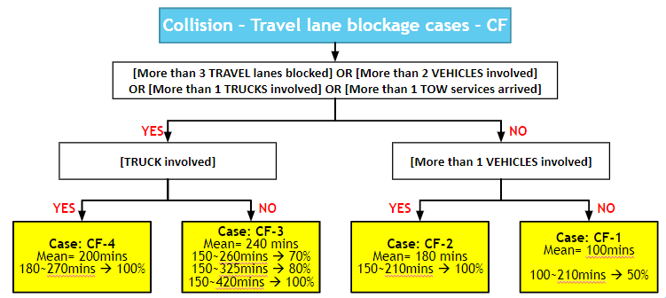
CF

test 1
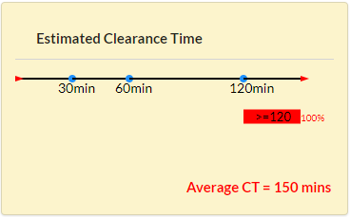
CPI1 (1) | Predict Outcome | Correct Outcome
What is the error here? |  | CPI-1 Lane-4
Collision incident
Travel lane blockage
Personal Injury
An Auxiliary lane blocked
1 Travel lane blocked
2 Cars involved
First responder: Others
1 TOW unit 6 Other units are responding.
Other
Unspecified condition | Note
Summer | The input information shows "TOW service arrived & More than 4 responded units arrived", "AUXILIARY LANE blocked & [More than 4 responded units arrived OR More than 1 CHART arrived]", and "More than 1 vehicle involved & More than 6 responded units arrived" are met. The result is correct, which is CPI-1 Lane-4, but hte average CT here should be 150 minutes.
Day time
Weekend
Exits 1-15: PG County, SE of DC
Inner Loop
Exit 35

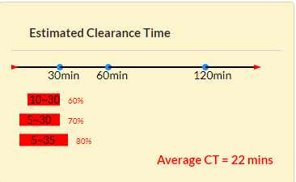
CPI1 (2) | Predict Outcome | Correct Outcome
Max selection has been moved to 6+. This will allow the "more than 5 vehicles inv" to work correctly. |  | CPI-1 Lane-2

Collision incident
Travel lane blockage
Personal Injury
1 Travel lane blocked
5+ Cars involved
First responder: Others
1 Other unit is responding.
Other
Unspecified condition | Note
Summer | The input information shows only "More than 5 vehicles are involved & Peak hour"is met. The result should be Lane-2, instead of Lane-1.
AM-peak
Weekday
Exits 15-28: PG County, NE of DC
Inner Loop
Exit 19

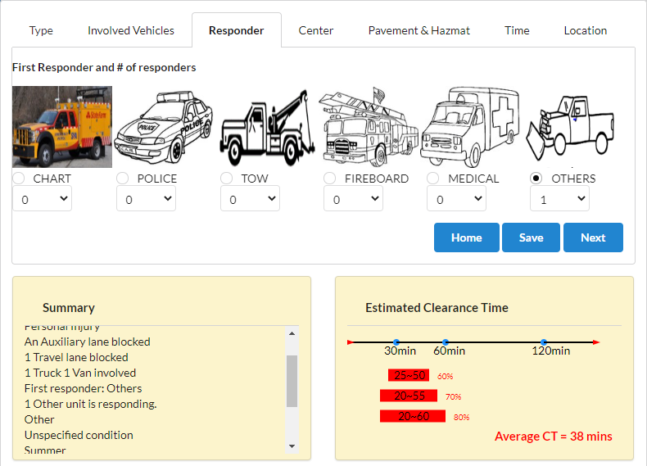
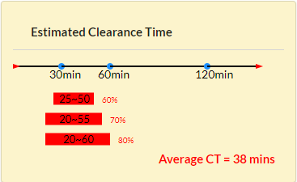
CPI1 (3) | Predict Outcome | Correct Outcome
Fixed in released update |  | CPI-1 Lane-2
Collision incident
Travel lane blockage
Personal Injury
An Auxiliary lane blocked
1 Travel lane blocked
1 Truck 1 Van involved
First responder: Others
1 Other unit is responding.
Other
Unspecified condition | Note
Summer | The input information shows only "Truck involved & Van involved". The estimation is correct. But there is a small problem about responder settings. Please see the following information.
Day time
Weekday
Exits 15-28: PG County, NE of DC
Inner Loop
Exit 35

CPI1 (3) | Predict Outcome | Correct Outcome
I will certainly look into making the dropdown start at 1 when the user selects a first responder, but I do not believe it is possible. It is a good idea, though. |  | CPI-1 Lane-2

Collision incident
Travel lane blockage
Personal Injury
An Auxiliary lane blocked
1 Travel lane blocked
1 Truck 1 Van involved
First responder: Others
Other
Unspecified condition | Note
Summer | After enter the whole information and get an estimation, I still can let "Others" first arrived but the number of "others" is zero. I think the better way to fix it is to let the number of unit is start from one after this kind of unit is selected as the first unit arrived. It is also more convenient for users. *I-695 has the same problem, too.
Day time
Weekday
Exits 15-28: PG County, NE of DC
Inner Loop
Exit 35

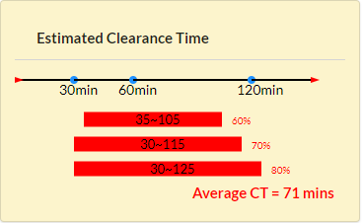
CPI2 (4) | Predict Outcome | Correct Outcome
Fixed by making max vehicles 6+ |  | CPI-2 Lane-4

Collision incident
Travel lane blockage
Personal Injury
2 Travel lanes blocked
5+ Cars involved
First responder: Others
1 TOW unit 6 Other units are responding.
Other
Unspecified condition | Note
Summer | The input information shows "TOW service arrived", "More than 6 response units arrived", "More than 7 responded units arrived OR More than 5 vehicles involved" are met. The result still should be lane-4 instead of lane-3. Moreover, rules for I-495 include "More than 7 responded units arrived OR More than 5 vehicles involved", so to make sure the accuracy of input information, the max selection of #vehicles involved should be 6+
Day time
Weekend
Exits 15-28: PG County, NE of DC
Inner Loop
Exit 27


CPI2 (4) | Predict Outcome | Correct Outcome
Fixed by making max vehicles 6+ |  | CPI-2 Lane-4
Collision incident
Travel lane blockage
Personal Injury
An Auxiliary lane blocked
2 Travel lanes blocked
1 Car 5+ Pickups involved
First responder: Others
1 TOW unit 5 Other units are responding.
Other
Unspecified condition | Note
Summer | The input information shows "TOW service arrived", "More than 6 response units arrived", "More than 7 responded units arrived OR More than 5 vehicles involved" are met. The result still should be lane-4 instead of lane-3. But if I set one car plus 5+ pickups involved, the estimation is correct. In short, if a user select one certain vehicle involved and 5+ of only this kind of vehicles involved, the estimation is wrong.
Day time
Weekend
Exits 15-28: PG County, NE of DC
Inner Loop
Exit 27

CPI2 (5) | Predict Outcome | Correct Outcome
Fixed by making max vehicles 6+ |  | CPI-2 Lane-4
Collision incident
Travel lane blockage
Personal Injury
An Auxiliary lane blocked
2 Travel lanes blocked
1 Car 5+ Pickups involved
First responder: Others
1 TOW unit 5 Other units are responding.
Other
Unspecified condition | Note
Summer | The input information shows "TOW service arrived", "More than 6 response units arrived", "More than 7 responded units arrived OR More than 5 vehicles involved" are met. The result still should be lane-4 instead of lane-3. But if I set one car plus 5+ pickups involved, the estimation is correct. In short, if a user select one certain vehicle involved and 5+ of only this kind of vehicles involved, the estimation is wrong.
Day time
Weekend
Exits 15-28: PG County, NE of DC
Inner Loop
Exit 27

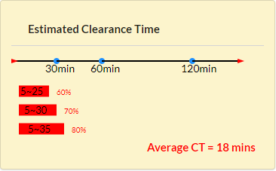
CPD2 (6) | Predict Outcome | Correct Outcome
Fixed |  | CPD-2 Lane-2

Collision incident
Travel lane blockage
Property Damage only
2 Travel lanes blocked
1 Car involved
First responder: Others
1 TOW unit 1 FIREBOARD unit 1 Other unit are responding.
Other
Unspecified condition | Note
Summer | The input information shows "Tow service arrived & Fireboard arrived" is met. The result should be lane-2 instead of lane-1.
Night time
Weekday
Exits 15-28: PG County, NE of DC
Inner Loop
Exit 27

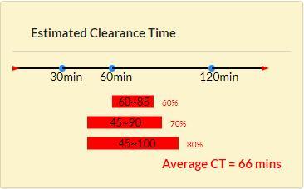
CPD2 (7) | Predict Outcome | Correct Outcome
Fixed |  | CPD-2 Lane-4

Collision incident
Travel lane blockage
Property Damage only
2 Travel lanes blocked
2 Cars 1 Truck involved
First responder: POLICE
1 POLICE unit 7 Other units are responding.
Other
Unspecified condition | Note
Summer | The input information shows "[Peakhour or More than 2 CHART arrived] & Truck involved", "More than 2 vehicles involved & Police first arrived", "More than 7 response units arrived" are met. The result should be lane-4 instead of lane-3. *All cases meeting "More than 7 response units arrived" are wrongly estimated. The estimation should be lane-4, instead of lane-3.
AM-peak
Weekday
Exits 28-41: Montgomery County
Inner Loop
Exit 35

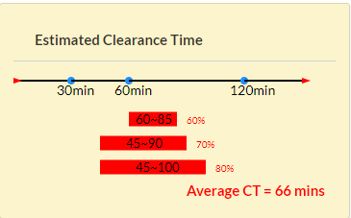
CPD2 (8) | Predict Outcome | Correct Outcome
 |  | CPD-2 Lane-2

Collision incident
Travel lane blockage
Property Damage only
2 Travel lanes blocked
1 Truck involved
First responder: Others
3 CHART units 1 Other unit are responding.
Other
Unspecified condition | Note
Summer | The input information shows "[Peakhour or More than 2 CHART arrived] & Truck involved" is met. The result should be lane-2 instead of lane-3. Please see the following note also.
Day time
Weekday
Exits 28-41: Montgomery County
Inner Loop
Exit 35

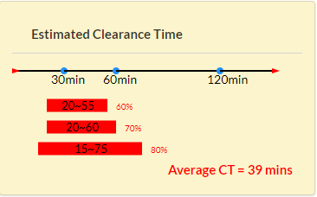
CPD2 (8) | Predict Outcome | Correct Outcome
Seems like you might have entered a nighttime hour, and then changed to the daytime, but the code did not honor the change. I will fix this. Great catch! |  | CPD-2 Lane-2

Collision incident
Travel lane blockage
Property Damage only
2 Travel lanes blocked
1 Truck involved
First responder: Others
3 CHART units 1 Other unit are responding.
Other
Unspecified condition | Note
Summer | The input information shows "[Peakhour or More than 2 CHART arrived] & Truck involved" is met. The result should be lane-2. This case is exatly the same with the upper one, but the estimation is different. In the processe of entering information for the upper one, I have already entered some other entire inforamtion and get a new estimation, but when I change it and enter the information of this case, the estimation is not correct. I think this problem may exist in other subsets, the posible reason is the input about time cannot be updated exatly.
Day time
Weekday
Exits 28-41: Montgomery County
Inner Loop
Exit 35

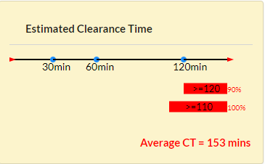
CPD3 (9) | Predict Outcome | Correct Outcome
 |  | CPD-3 Lane-3

Collision incident
Travel lane blockage
Property Damage only
3 Travel lanes blocked
2 Cars 1 Truck involved
First responder: FIREBOARD
1 FIREBOARD unit 4 Other units are responding.
Other
Unspecified condition | Note
Summer | The input information shows "More than 4 responded units arrived &[ Fireboard first arrived OR Pickup involved OR Wet pavement]", and "[Peakhour OR More than 5 responded units arrived] & More than 1 vehicle involved" are met. The estimation should be lane-3, instead of lane-4 *The posible reason may also be that the input cannot be updated exatly.
AM-peak
Weekday
Exits 28-41: Montgomery County
Outer Loop
Exit 35

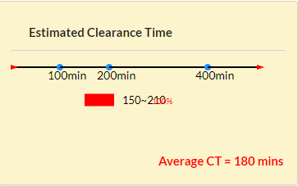
CF (10) | Predict Outcome | Correct Outcome
Fixed |  | CF-2

Collision incident
Travel lane blockage
Fatality
2 Travel lanes blocked
2 Cars involved
First responder: Others
1 Other unit is responding.
Other
Unspecified condition | Note
Summer | The estimation is correct. But here the numbers are overlapping and hard to determine what they are.
Day time
Weekday
Exits 15-28: PG County, NE of DC
Inner Loop
Exit 35

